Assignments
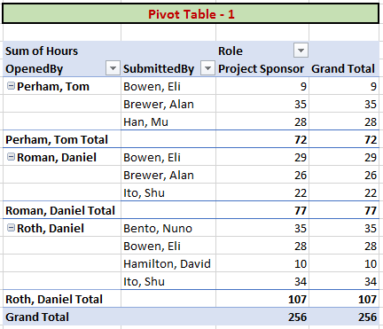
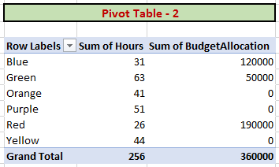
Create necessary relationships between four given tables: CompanyProjectPriority, EmployeeRole, ProjectBudget and ProjectTickets.
And construct following two Pivot Tables (or Matrix in Power BI) exactly in the same formats.

Relationship Diagram
